Part B
Part B : Discuss the effect on the minimum transportation cost when capacity at each factory or warehouse is altered by adding or subtracting one ton. What are the minimum capacity changes at Glasgow that will alter the optimum set of routes and what will those alterations be? Explain how you arrive at each one of your answers.
 | When capacity at each factory or warehouse is altered by adding or subtracting one ton |  |  |  |  |  |  | (FINDINGS FROM SENSITIVITY REPORT)
 | Shadow price of Bristol | 0 | Adding or subtracting1 tonn from Bristol capacity will not make any difference
 | Shadow price of Leeds | 0 | Adding or subtracting1 tonn from Leeds capacity will not make any difference
 | Shadow price of London | -11 | Adding 1 ton will reduce transportation cost by 11 and Reducing one ton will increase cost by 11
 | Shadow price of Birmingham | -13 | Adding 1 ton will reduce transportation cost by 13 and Reducing one ton will increase cost by 13
 | Shadow price of glasgow | -12 | Adding 1 ton will reduce transportation cost by 12 and Reducing one ton will increase cost by 12

 | To find minimum capacity changes at Glasgow that will alter the optimum set of routes
 | RATES PER ROUTE | OBJECTIVE FUNCTION COEFFICIENTS
 |  | 27 | 25 | - | 82 | - | 93 | 100 | 88
 |  | 32 | 29 | 33 | - | 72 | 57 | - | 100
 |  | - | - | - | 38 | 34 | - | 42 | 45
 |  | - | - | - | 38 | 42 | 45 | 42 | 48
 |  | - | - | - | 48 | 45 | 32 | - | 38
 |  | DECISION VARIABLES
 |  | WAREHOUSE |  |  | WHOLESALERS
 |  | LONDON | BIRMINGHAM | GLASGOW | W1 | W2 | W3 | W4 | W5
 | BRISTOL (FACTORY) | 25000 | 20000 | 0 | 0 | 0 | 0 | 0 | 1
 | LEEDS (FACTORY) | 0 | 0 | 14999 | 0 | 25000 | 13000 | 0 | 0
 | LONDON | 0 | 0 | 0 | 19000 | 0 | 0 | 0 | 6000
 | BIRMINGHAM | 0 | 0 | 0 | 1000 | 0 | 0 | 19000 | 0
 | GLASGOW | 0 | 0 | 0 | 0 | 0 | 0 | 0 | 14999

 | OBJECTIVE FUNCTION VALUE |  |  |  | 6609017

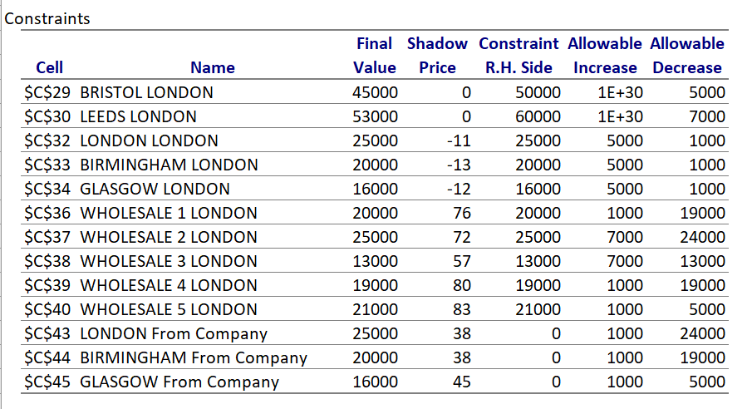
 | CONSTRAINTS |  |  |  |  |  |  | Sensitivity Report
 | SUPPLY
 | BRISTOL | 45001 | <= | 50000
 | LEEDS | 52999 | <= | 60000
 | CAPACITY
 | LONDON | 25000 | <= | 25000
 | BIRMINGHAM | 20000 | <= | 20000
 | GLASGOW | 14999 | <= | 14999 | Capacity reduced by value more than 1000 (1001 ).
 | DEMAND |  |  |  |  |  |  | Allowable decrease for Glasgow is 1000 and allowable increase is 5000. Minimum capacity change in Glasgow should be more than 1000 (n>1000 ) inorder to alter optimum set of routes.
 | W1 | 20000 | >= | 20000
 | W2 | 25000 | >= | 25000
 | W3 | 13000 | >= | 13000
 | W4 | 19000 | >= | 19000
 | W5 | 21000 | >= | 21000 |  |  |  | Alerations after the capacity of Glasgow is reduced by 1000 tons:
 | NET TRANSPORTATION VIA WHOLESALERS |  |  |  |  |  |  | The transportation cost is increased by 12017 to 6609017.
 |  | From Company |  | To wholesalers |  |  |  | Route from London to wholesaler 2 is eliminated.
 | LONDON | 25000 | = | 25000 |  |  |  | 1000 tonnes added in the route from Birmingham warehouse to wholesaler 5
 | BIRMINGHAM | 20000 | = | 20000
 | GLASGOW | 14999 | = | 14999

